Q&Qs
Area | Average Total waste generated(kg) | Average Generation per day (kg/day) | Average Per Capita Generation(kg/day) | Volume(L) | Density(kg/L) | Food Waste | Garden and Yard wastes | Wood | Textiles | Paper and pulp | Polythene Bags | Plastics and Rubber | Glass | Metals | Others
Bwaise I | 12.983 | 1.855 | 0.427 | 39.436 | 0.368 | 75.38% | 4.16% | 0.06% | 1.56% | 1.15% | 8.22% | 5.58% | 0.01% | 0.13% | 3.53%
Bukoto I | 13.2772 | 1.8967 | 0.5276 | 31.4375 | 0.5713 | 81.01% | 2.11% | 0.06% | 1.74% | 3.15% | 4.24% | 2.76% | 0.29% | 0.58% | 7.69%
Ggaba | 37.4419 | 5.3488 | 0.9794 | 119.688 | 0.3250 | 74.41% | 10.05% | 0.20% | 0.32% | 1.85% | 2.79% | 3.66% | 0.08% | 0.73% | 6.04%

Average amount of Solid waste categories Generated in the three study areas

Average total Solid waste Generated and Volume in the three study areas

Average per capita waste Generated and density in the three study areas

 | Total waste generated(kg) | Density(kg/L)
Household_1 | 7.324 | 0.474
Household_2 | 13.126 | 0.438
Household_3 | 4.56 | 0.380
Household_4 | 19.57 | 0.280
Household_5 | 4.07 | 0.509
Household_6 | 1.121 | 0.080
Household_7 | 33.9 | 0.339
Household_8 | 10.3 | 0.303
Household_9 | 11.548 | 0.289
Household_10 | 10.57 | 0.529
Household_11 | 6.765 | 0.282
Household_12 | 8.933 | 0.298
Household_13 | 2.15 | 0.538
Household_14 | 11.551 | 0.289
Household_15 | 21.556 | 0.337
Household_16 | 5.202 | 0.520
Household_17 | 37.28 | 0.266
Household_18 | 24.934 | 0.356
Household_19 | 14.867 | 0.437
Household_20 | 19.465 | 0.304
Household_21 | 5.734 | 0.169
Household_22 | 14.204 | 0.473
Household_23 | 0.342 | 0.085
Household_24 | 0.785 | 0.098
Household_25 | 7.935 | 0.397
Household_26 | 14.608 | 0.430
Household_27 | 44 | 0.314
Household_28 | 7.358 | 0.409
Household_29 | 8.031 | 0.335
Household_30 | 1.895 | 0.474
Household_31 | 8.886 | 0.444
Household_32 | 4.171 | 0.521
Household_33 | 19.979 | 0.270
Household_34 | 40.3 | 0.252
Household_35 | 16.408 | 0.373
Household_36 | 26.659 | 0.381
Household_37 | 5.927 | 0.494
Household_38 | 2.384 | 0.397
Household_39 | 7.946 | 0.795
Household_40 | 16.84 | 0.240
Household_41 | 6.21 | 0.780
Household_42 | 20.02 | 0.500
Household_43 | 5.49 | 0.690
Household_44 | 18.51 | 0.370
Household_45 | 8.038 | 0.804
Household_46 | 9.82 | 0.820
Household_47 | 2.63 | 0.440
Household_48 | 8.17 | 0.820
...

Factors
Average Household number for the three study areas
Number of male and Female Household heads
Average Houshold number
Area | Income level | Average Number of Occupants
Bwaise I | Low income | 4.85
Bukoto I | Middle income | 4
Ggaba | High income | 5.81

Area
Bwaise I | <18 years | 0
 | 18-35 years | 5
 | 36-60 years | 15
 | >60 years | 12
Bukoto I | <18 years | 0
 | 18-35 years | 13
 | 36-60 years | 17
 | >60 years | 2
Ggaba | <18 years | 0
 | 18-35 years | 5
 | 36-60 years | 15
 | >60 years | 12

Bwaise I | Male | 23
 | Female | 16
Bukoto I | Male | 19
 | Female | 13
Ggaba | Male | 25
 | Female | 7

Bwaise I | illiterate | 5
 | Primary | 9
 | Secondary | 20
 | tertiary | 5
Bukoto I | illiterate | 2
Education levels of Household heads
 | Primary | 1
 | Secondary | 12
 | tertiary | 17
Ggaba | illiterate | 0
 | Primary | 0
 | Secondary | 1
 | tertiary | 31

Bwaise I | Government employee | 3
 | Private employee | 6
 | Business | 23
 | Housewife | 1
 | Retired | 6
Bukoto I | Government employee | 5
 | Private employee | 13
 | Business | 12
 | Housewife | 0
 | Retired | 2
Ggaba | Government employee | 10
 | Private employee | 12
 | Business | 6
 | Housewife | 0
 | Retired | 4

Correlation-Excel
Influence of income level on total amount of solid waste generated
1 | 7.324
1 | 13.126
1 | 4.560
1 | 19.570
1 | 4.070
1 | 1.121
1 | 33.900
1 | 10.300
1 | 11.548
1 | 10.570
1 | 6.765
1 | 8.933
1 | 2.150
1 | 11.551
1 | 21.556
1 | 5.202
1 | 37.280
1 | 24.934
1 | 14.867
1 | 19.465
1 | 5.734
1 | 14.204
1 | 0.342
1 | 0.785
1 | 7.935
1 | 14.608
1 | 44.000
1 | 7.358
1 | 8.031
1 | 1.895
1 | 8.886
1 | 4.171
1 | 19.979
1 | 40.300
1 | 16.408
1 | 26.659
1 | 5.927
1 | 2.384
1 | 7.946
2 | 16.840
2 | 6.210
2 | 20.020
2 | 5.490
2 | 18.510
2 | 8.038
2 | 9.820
2 | 2.630
2 | 8.170
2 | 20.770
2 | 37.990
...
Influence of education level of Household head on total amount of solid waste generated
3 | 7.324
1 | 13.126
3 | 4.560
3 | 19.570
4 | 4.070
2 | 1.121
3 | 33.900
2 | 10.300
2 | 11.548
2 | 10.570
2 | 6.765
3 | 8.933
2 | 2.150
1 | 11.551
2 | 21.556
3 | 5.202
3 | 37.280
4 | 24.934
3 | 14.867
1 | 19.465
3 | 5.734
1 | 14.204
4 | 0.342
4 | 0.785
3 | 7.935
3 | 14.608
3 | 44.000
2 | 7.358
2 | 8.031
4 | 1.895
1 | 8.886
3 | 4.171
3 | 19.979
3 | 40.300
3 | 16.408
3 | 26.659
3 | 5.927
3 | 2.384
3 | 7.946
4 | 16.840
1 | 6.210
3 | 20.020
3 | 5.490
4 | 18.510
3 | 8.038
4 | 9.820
4 | 2.630
4 | 8.170
4 | 20.770
4 | 37.990
...
Influence of Household size on total amount of solid waste generated
3 | 7.324
7 | 13.126
6 | 4.560
11 | 19.570
2 | 4.070
7 | 1.121
4 | 33.900
3 | 10.300
2 | 11.548
3 | 10.570
2 | 6.765
4 | 8.933
3 | 2.150
6 | 11.551
11 | 21.556
3 | 5.202
12 | 37.280
6 | 24.934
7 | 14.867
3 | 19.465
2 | 5.734
6 | 14.204
3 | 0.342
3 | 0.785
4 | 7.935
2 | 14.608
5 | 44.000
3 | 7.358
8 | 8.031
3 | 1.895
2 | 8.886
4 | 4.171
6 | 19.979
4 | 40.300
8 | 16.408
6 | 26.659
7 | 5.927
6 | 2.384
2 | 7.946
4 | 16.840
2 | 6.210
4 | 20.020
1 | 5.490
3 | 18.510
2 | 8.038
2 | 9.820
1 | 2.630
2 | 8.170
4 | 20.770
7 | 37.990
...

Influence of Age of Household head on total amount of solid waste generated
2 | 7.324
3 | 13.126
3 | 4.560
4 | 19.570
2 | 4.070
2 | 1.121
3 | 33.900
2 | 10.300
3 | 11.548
2 | 10.570
3 | 6.765
2 | 8.933
4 | 2.150
3 | 11.551
4 | 21.556
2 | 5.202
3 | 37.280
3 | 24.934
4 | 14.867
2 | 19.465
2 | 5.734
3 | 14.204
2 | 0.342
2 | 0.785
2 | 7.935
3 | 14.608
2 | 44.000
3 | 7.358
4 | 8.031
3 | 1.895
4 | 8.886
2 | 4.171
3 | 19.979
4 | 40.300
4 | 16.408
4 | 26.659
3 | 5.927
3 | 2.384
2 | 7.946
3 | 16.840
3 | 6.210
3 | 20.020
3 | 5.490
3 | 18.510
2 | 8.038
3 | 9.820
3 | 2.630
3 | 8.170
2 | 20.770
3 | 37.990
...
Influence of gender of Household head on total amount of solid waste generated
0 | 7.324
0 | 13.126
1 | 4.560
0 | 19.570
1 | 4.070
1 | 1.121
1 | 33.900
1 | 10.300
1 | 11.548
1 | 10.570
1 | 6.765
0 | 8.933
0 | 2.150
0 | 11.551
0 | 21.556
1 | 5.202
1 | 37.280
0 | 24.934
0 | 14.867
0 | 19.465
0 | 5.734
1 | 14.204
0 | 0.342
0 | 0.785
0 | 7.935
0 | 14.608
0 | 44.000
0 | 7.358
1 | 8.031
0 | 1.895
1 | 8.886
0 | 4.171
0 | 19.979
1 | 40.300
1 | 16.408
0 | 26.659
1 | 5.927
0 | 2.384
0 | 7.946
0 | 16.840
0 | 6.210
1 | 20.020
0 | 5.490
1 | 18.510
1 | 8.038
0 | 9.820
0 | 2.630
1 | 8.170
0 | 20.770
1 | 37.990
...
Influence of period of stay in an area on total amount of solid waste generated
2 | 7.324
4 | 13.126
4 | 4.560
4 | 19.570
4 | 4.070
4 | 1.121
4 | 33.900
3 | 10.300
2 | 11.548
4 | 10.570
3 | 6.765
4 | 8.933
4 | 2.150
4 | 11.551
4 | 21.556
2 | 5.202
4 | 37.280
2 | 24.934
4 | 14.867
2 | 19.465
2 | 5.734
4 | 14.204
2 | 0.342
2 | 0.785
3 | 7.935
2 | 14.608
1 | 44.000
2 | 7.358
3 | 8.031
4 | 1.895
4 | 8.886
2 | 4.171
4 | 19.979
4 | 40.300
4 | 16.408
4 | 26.659
4 | 5.927
4 | 2.384
2 | 7.946
4 | 16.840
2 | 6.210
1 | 20.020
4 | 5.490
4 | 18.510
1 | 8.038
4 | 9.820
2 | 2.630
4 | 8.170
1 | 20.770
4 | 37.990
...

Correlation-Python
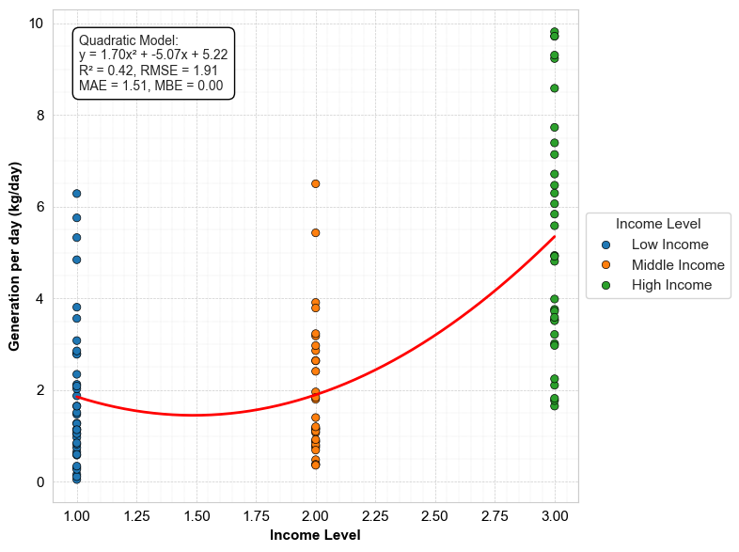
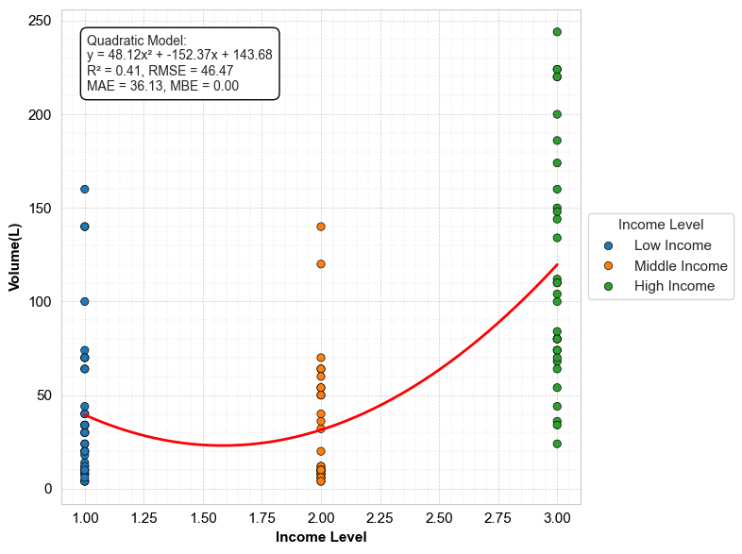
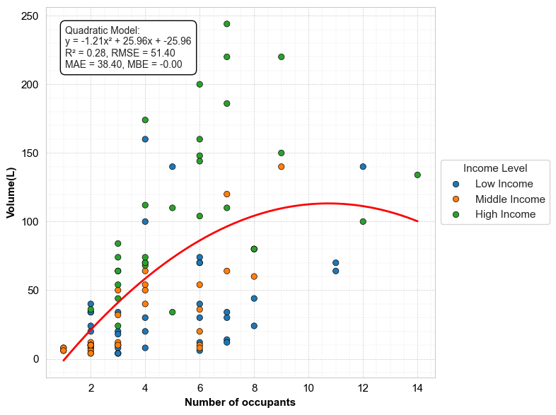
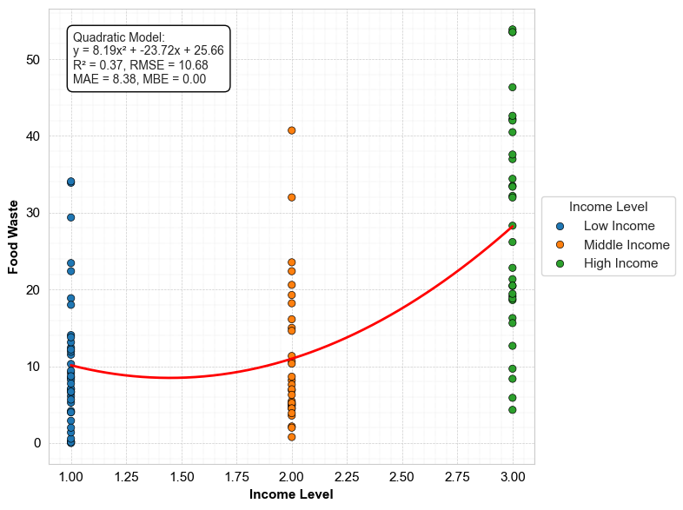
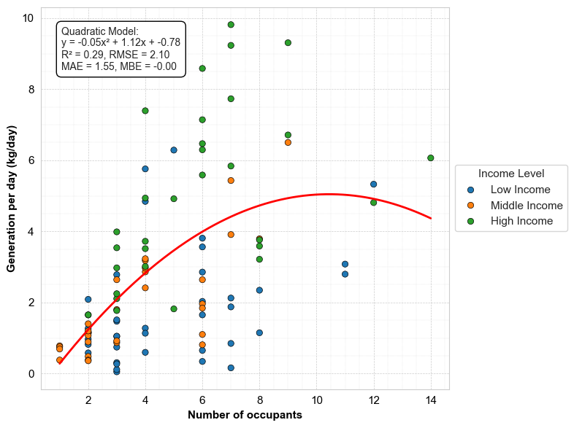
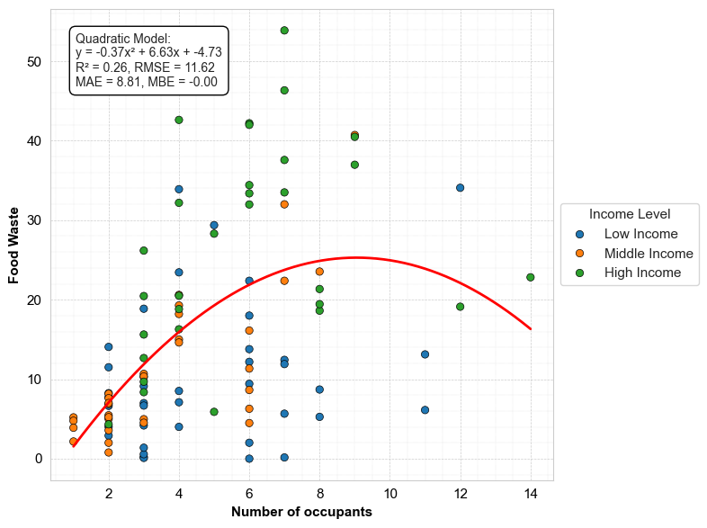
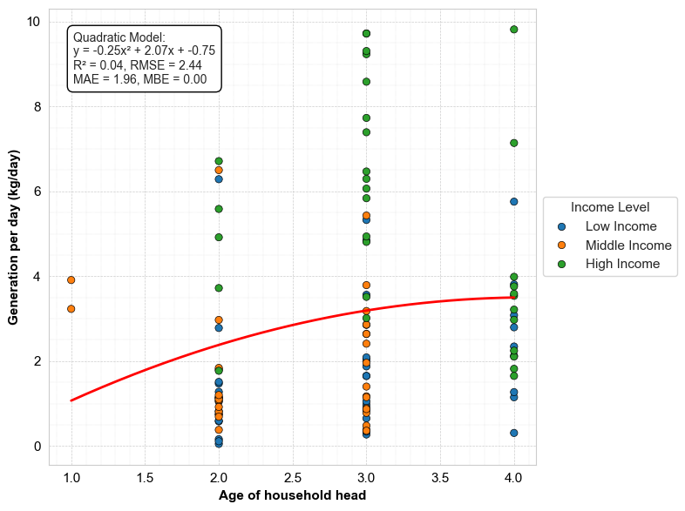
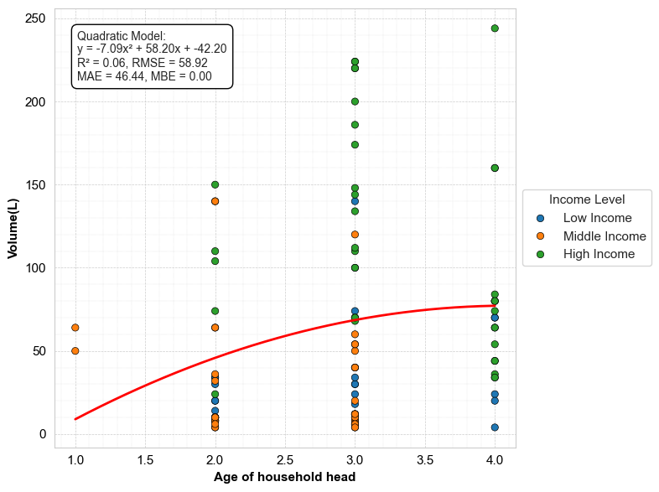
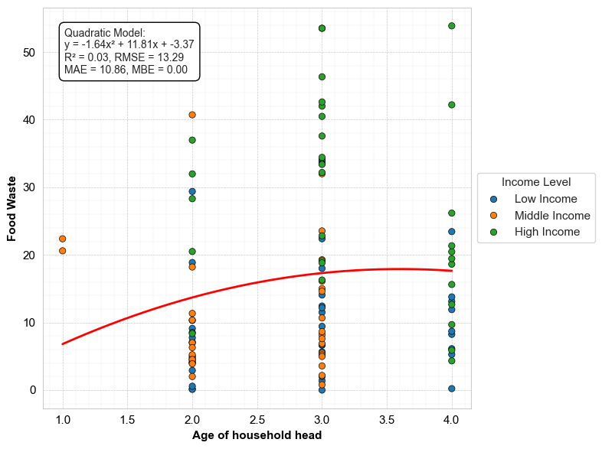
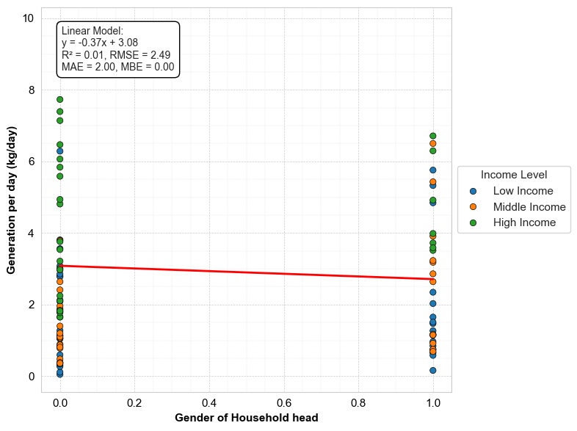
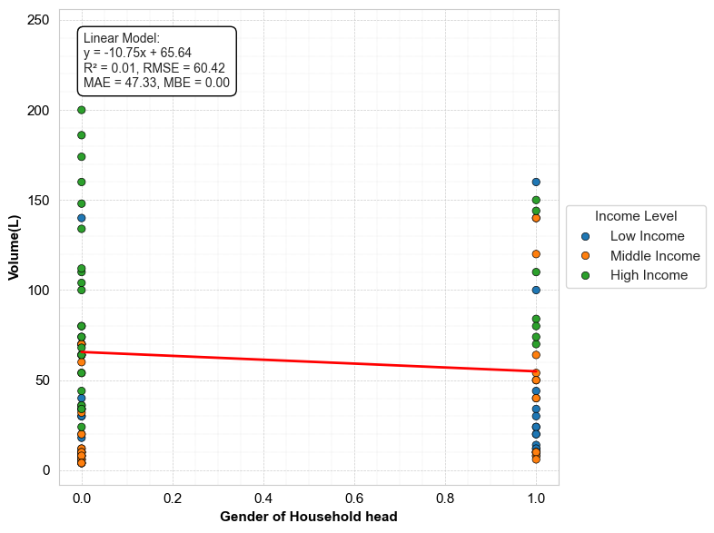
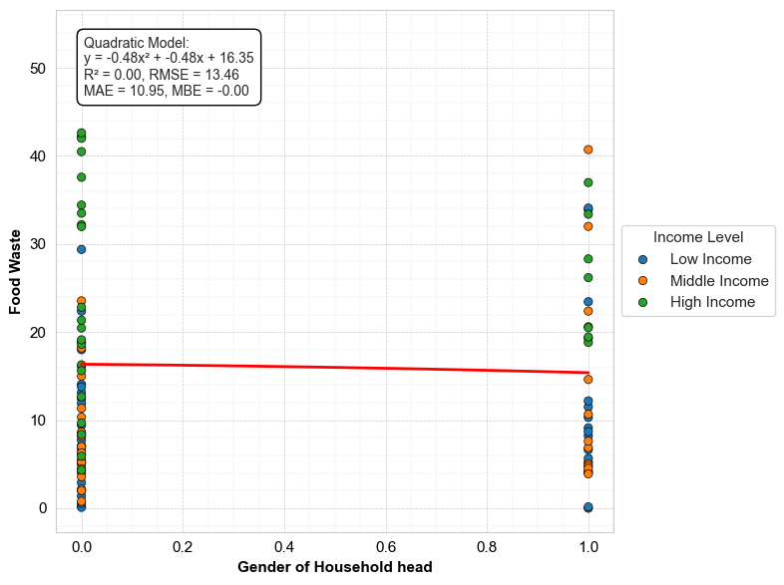
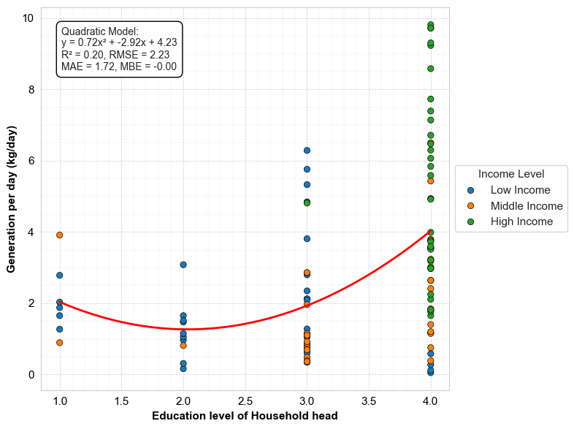
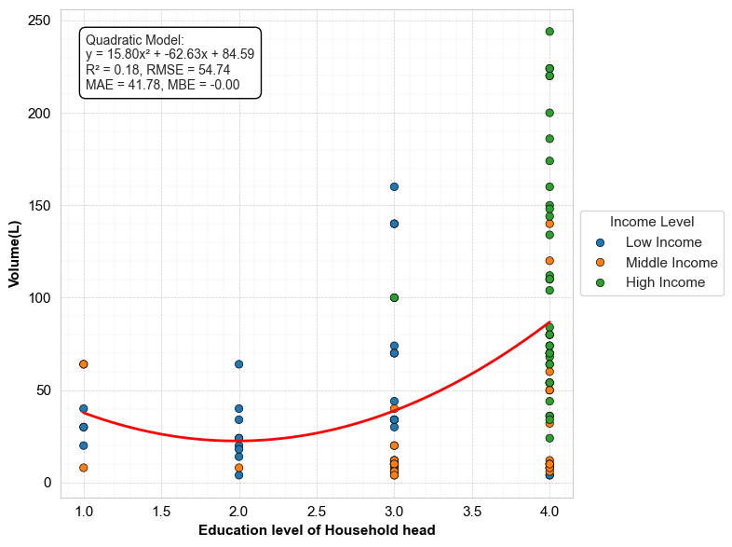
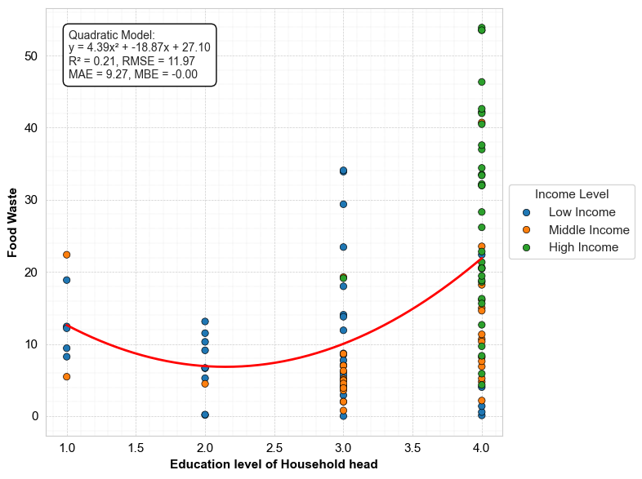
The following graphs were obtained in Data analysis in Python, the Python code is accessible by this link https://colab.research.google.com/drive/1-JWl_DJ-el63VjnbIV-C8QRAaCmVCPGl?usp=sharing

Generation-Model performance
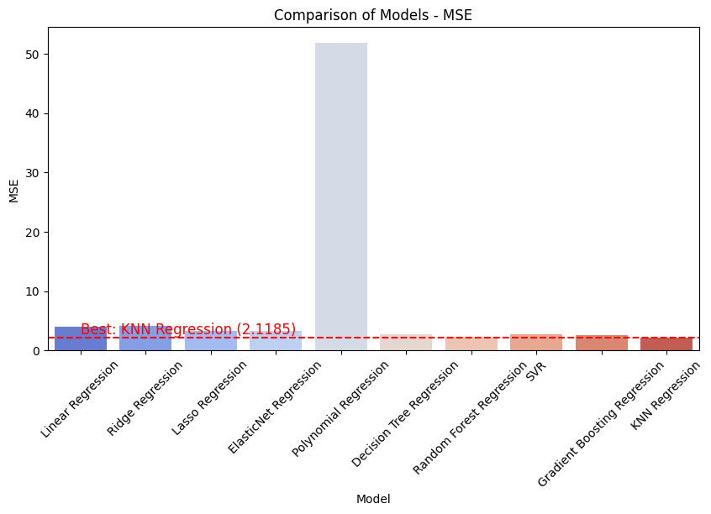
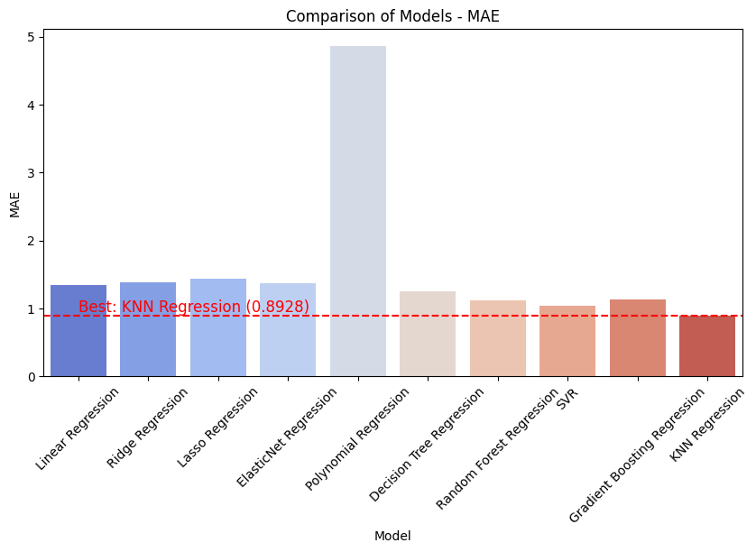
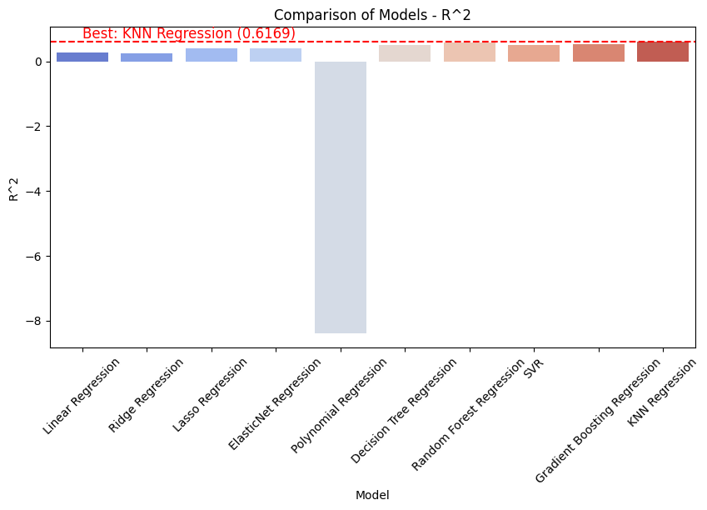
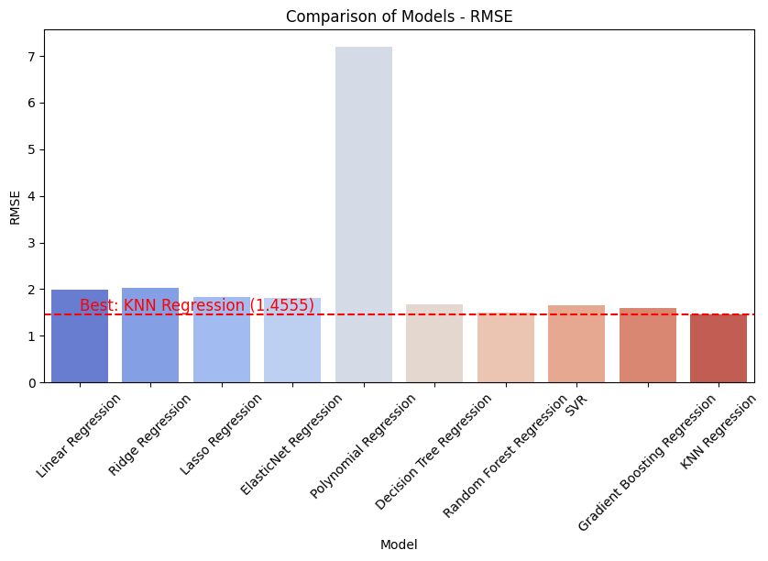
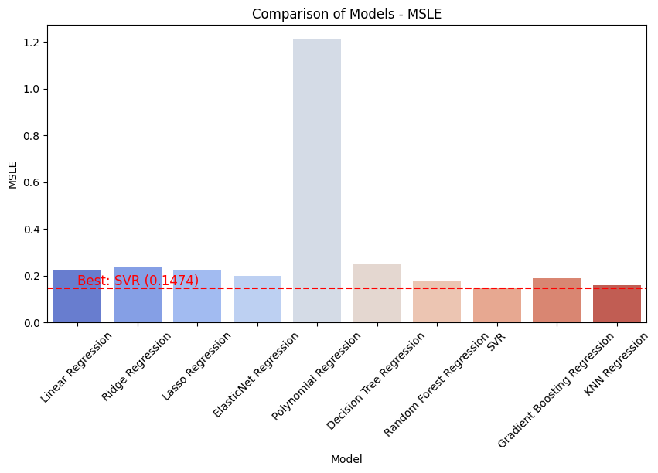
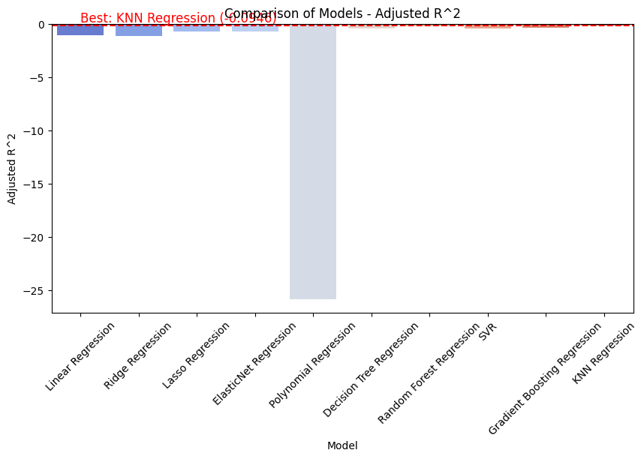
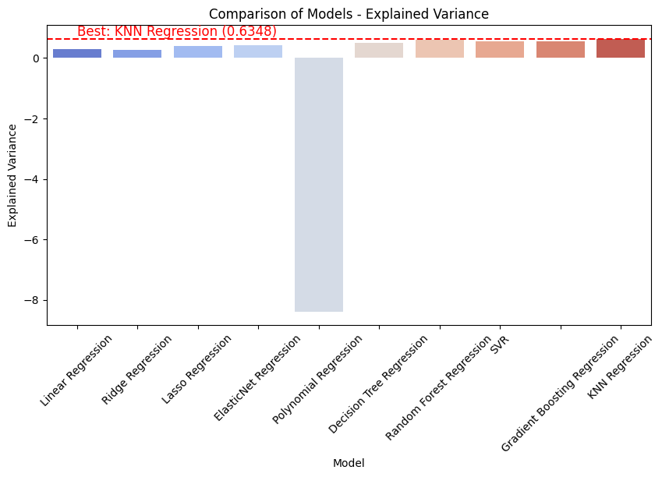
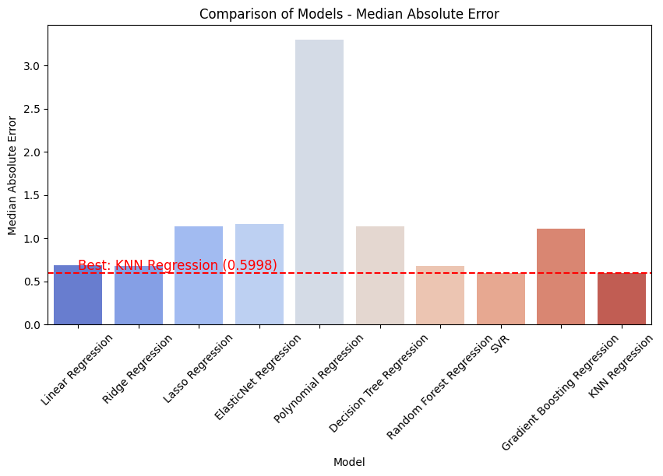
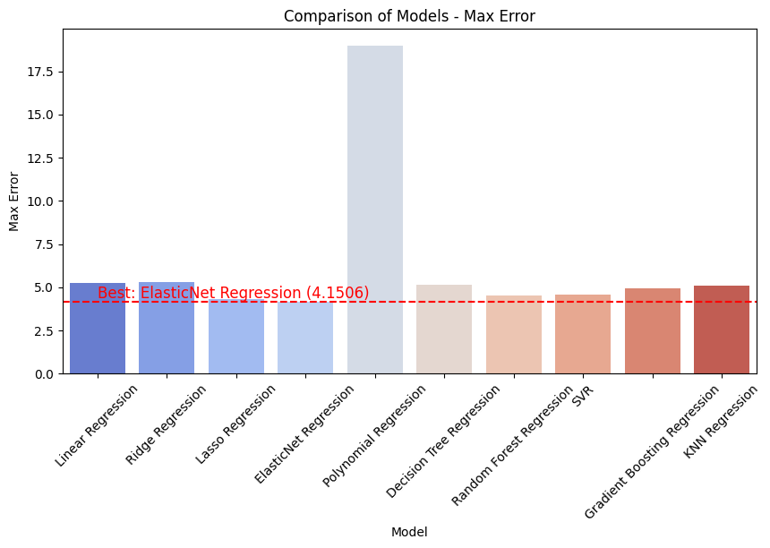
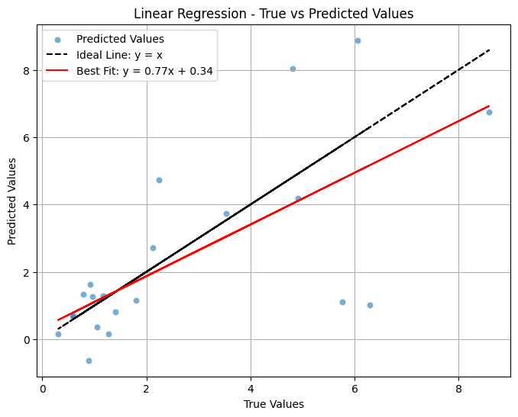

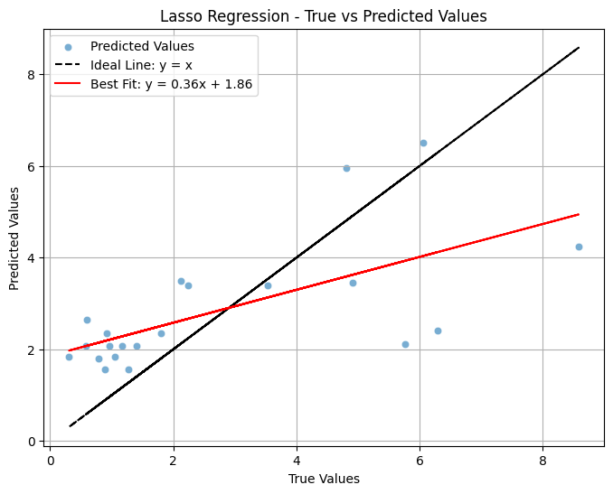
Performance of regression models on the predictions of amount of solid waste generated per day
 | Model Name | MSE | MAE | R^2 | RMSE | Adjusted R^2 | MSLE | Explained Variance | Median Absolute error | Maximum error
1 | Linear Regression | 3.994475 | 1.351084 | 0.277647 | 1.998618 | -1.063866 | 0.225821 | 0.292229 | 0.689906 | 5.264622
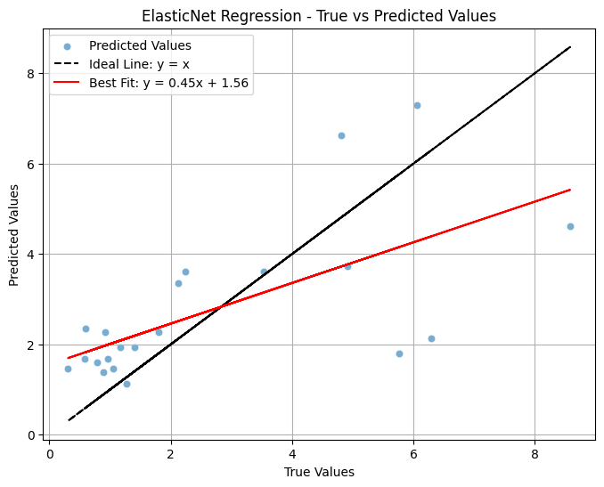
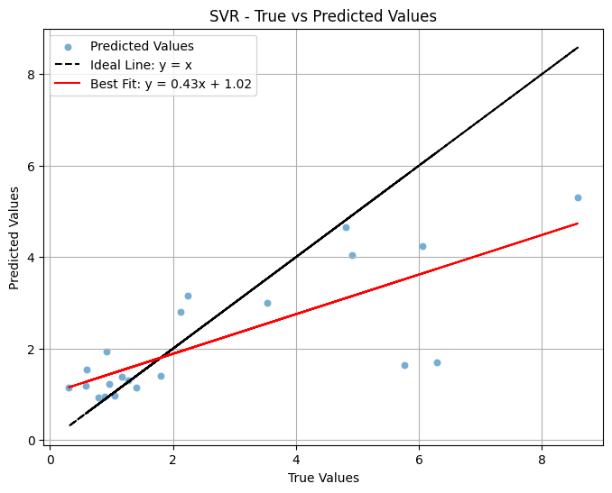
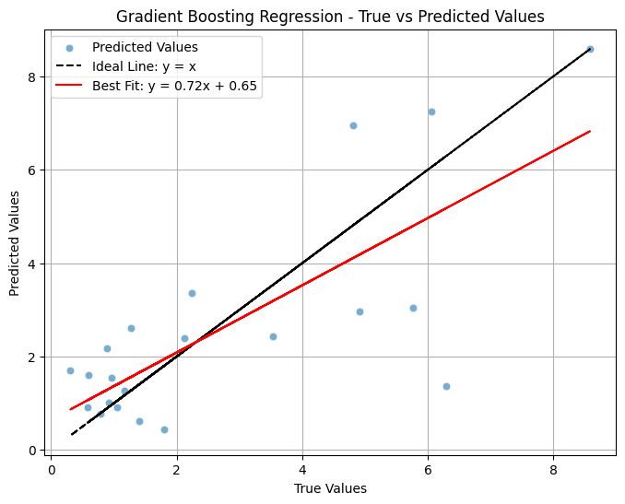
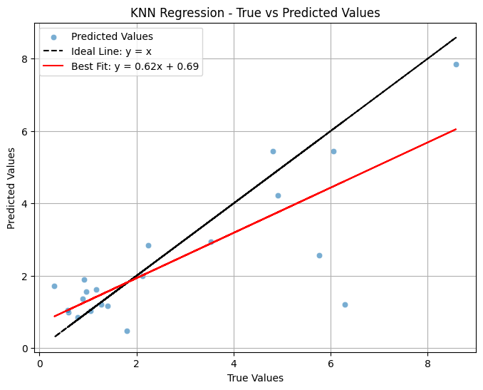
2 | Reidge Regression | 4.08268 | 1.387679 | 0.261696 | 2.020564 | -1.10944 | 0.239273 | 0.272214 | 0.675549 | 5.27586
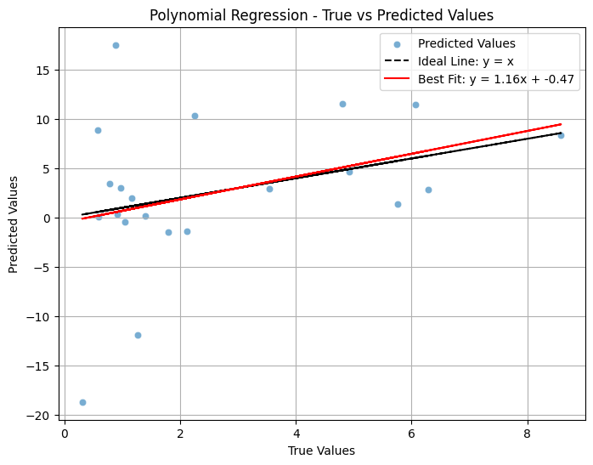
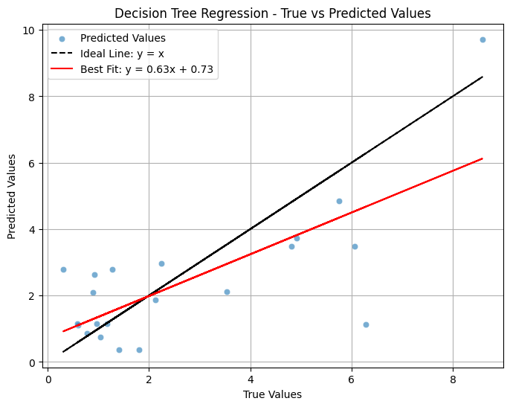
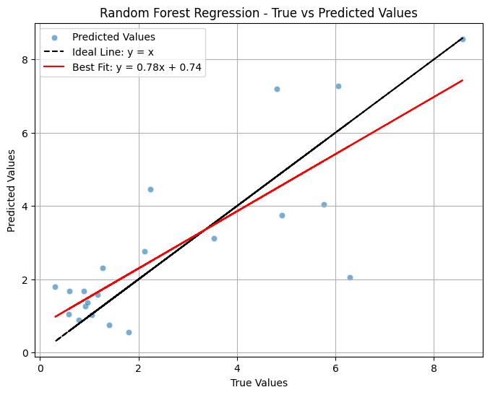
3 | Lasso Regression | 3.322687 | 1.433352 | 0.399132 | 1.822824 | -0.716766 | 0.226221 | 0.403293 | 1.141181 | 4.33461
4 | ElasticNet Regression | 3.253543 | 1.365824 | 0.411636 | 1.803758 | -0.681041 | 0.197982 | 0.413132 | 1.160435 | 4.150645
5 | Polynomial Regression | 51.901887 | 4.869613 | -8.385836 | 7.204296 | -25.816674 | 1.211177 | -8.38542 | 3.303857 | 19.005263
6 | Decision tree Regression | 2.752357 | 1.226619 | 0.502269 | 1.659023 | -0.422088 | 0.245045 | 0.514823 | 1.136 | 5.152
7 | Random Forest regression | 2.029636 | 1.049416 | 0.632965 | 1.424653 | -0.048673 | 0.145955 | 0.636995 | 0.7811 | 4.23395
8 | SVR | 2.75389 | 1.038722 | 0.501992 | 1.659485 | -0.42288 | 0.147446 | 0.545791 | 0.600228 | 4.57967
9 | Gradient Boosting regression | 2.535437 | 1.132804 | 0.541497 | 1.592306 | -0.31001 | 0.187759 | 0.543385 | 1.112247 | 4.927349
10 | KNN regression | 2.118501 | 0.892838 | 0.616894 | 1.455507 | -0.094587 | 0.15832 | 0.634848 | 0.5998 | 5.084

### Model Selection Explanation: 1. **MSE / RMSE (Lower is Better)** - Measures the average squared error between true and predicted values. - Best for minimizing large errors. - The best model here is 'KNN Regression' (Lowest RMSE). 2. **MAE (Lower is Better)** - Measures average absolute differences, less sensitive to outliers. - Best model for stable, error-minimizing predictions is 'KNN Regression' (Lowest MAE). 3. **R² Score (Higher is Better)** - Measures proportion of variance explained by the model. - A high R² suggests a strong predictive model. - The best model is 'KNN Regression' (Highest R² Score). 4. **Adjusted R² (Higher is Better)** - Accounts for number of predictors. - Preferred when comparing models with different numbers of features. - Best model: 'KNN Regression' (Highest Adjusted R²). 5. **MSLE (Lower is Better)** - Penalizes under-predictions more. - Good for non-negative, exponentially distributed data. - Best model: 'SVR' (Lowest MSLE). 6. **Explained Variance (Higher is Better)** - Similar to R² but does not penalize overfitting. - Best model: 'KNN Regression' (Highest Explained Variance). 7. **Max Error (Lower is Better)** - Measures worst-case error. - Best for applications needing strict error bounds. - Best model: 'ElasticNet Regression' (Lowest Max Error).

Volume-Model performance
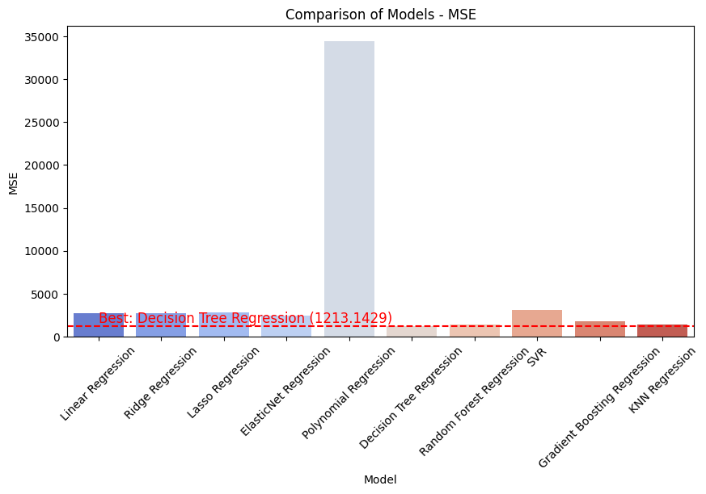
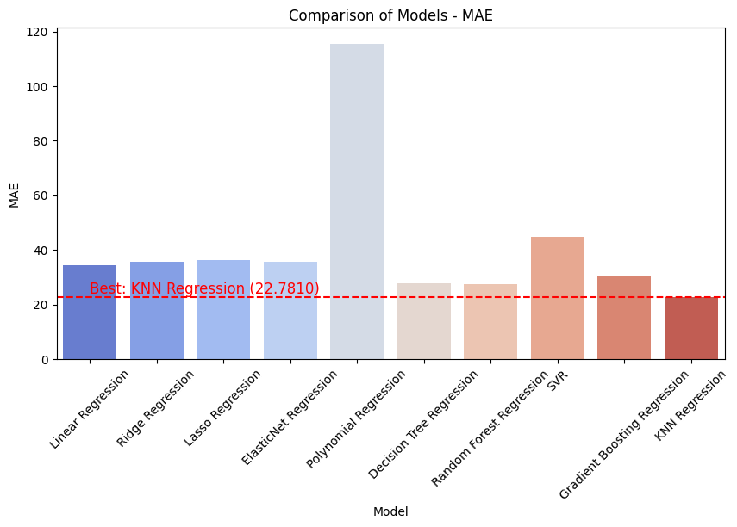
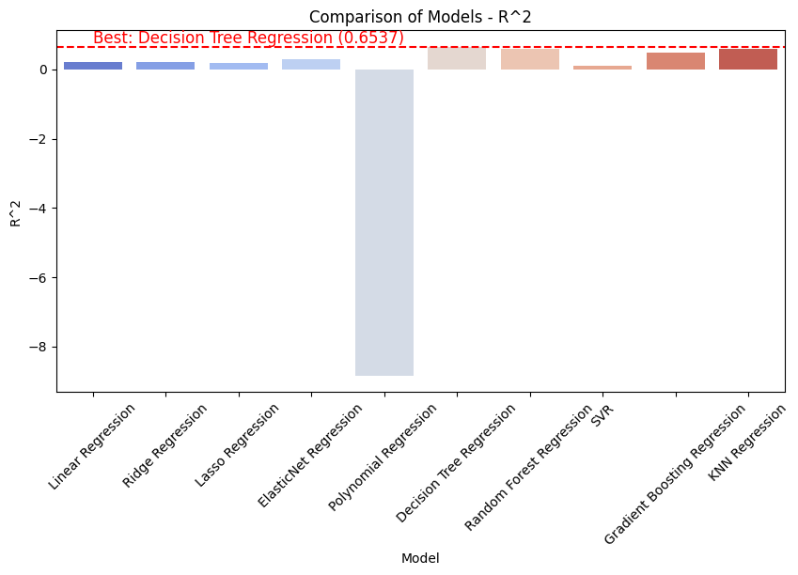
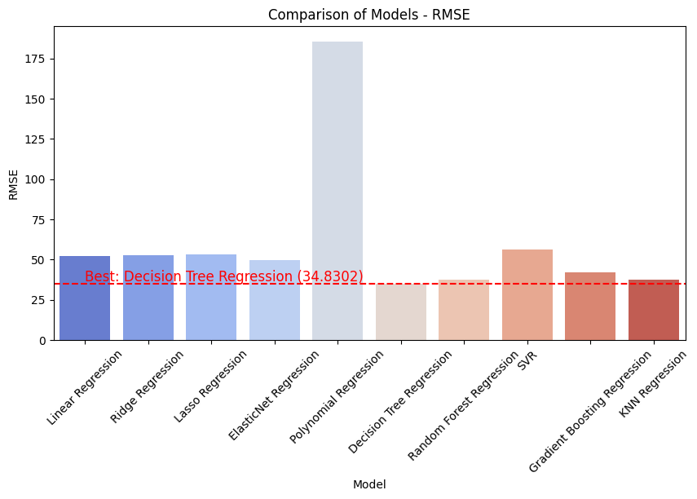
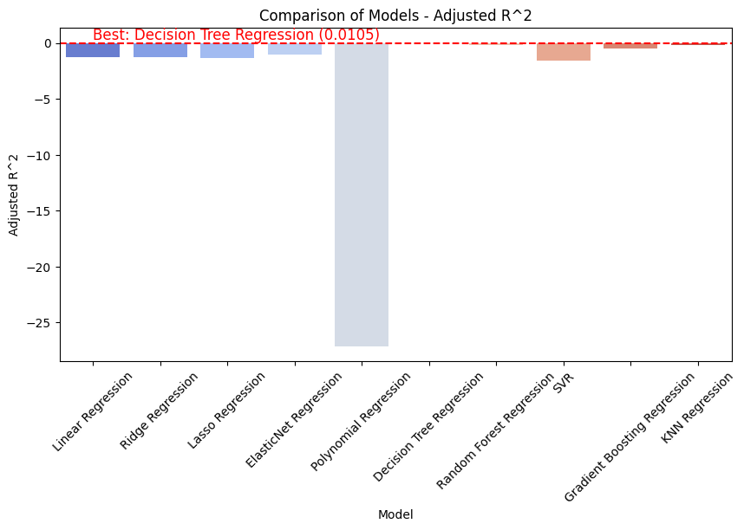
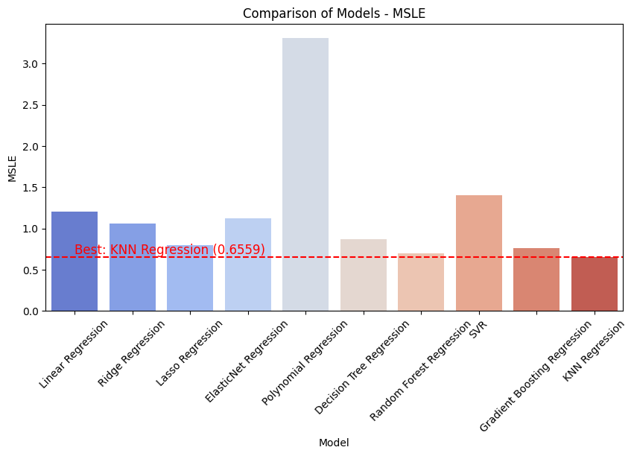
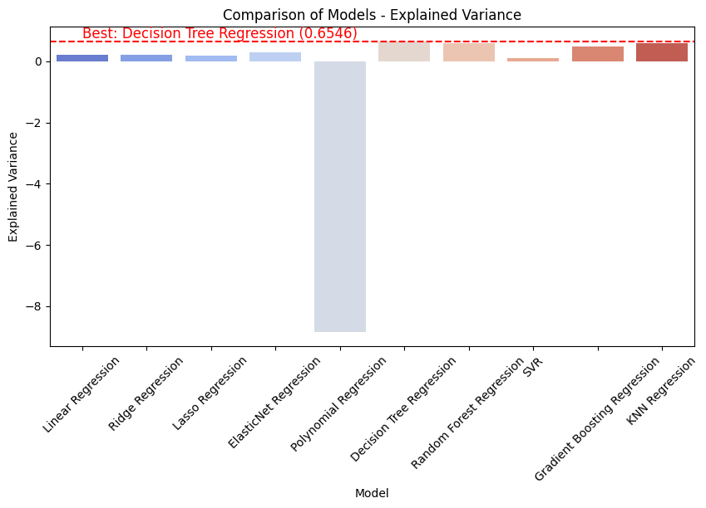
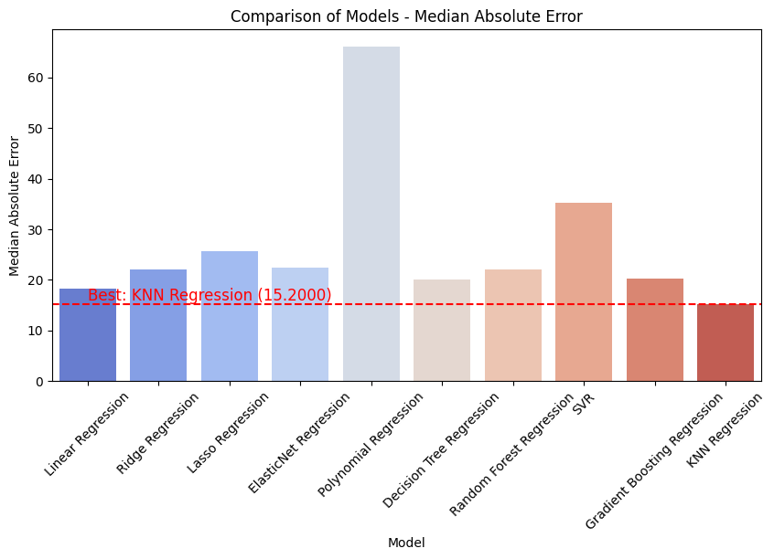
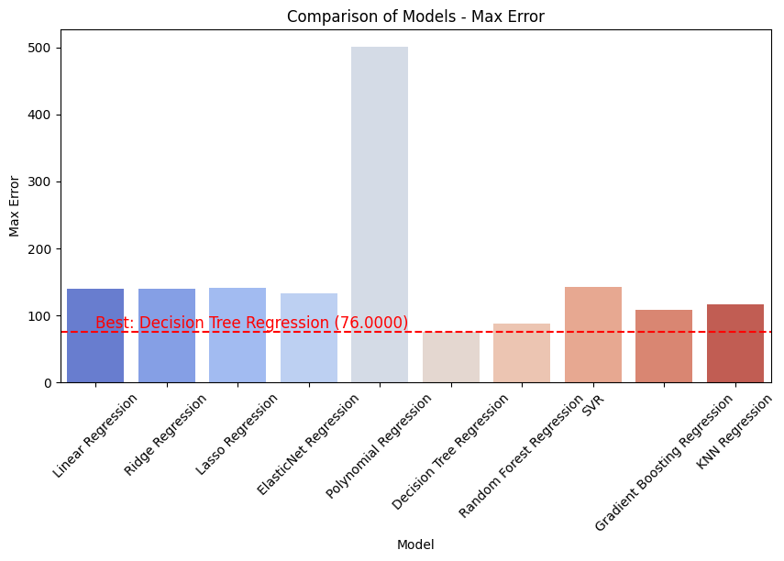
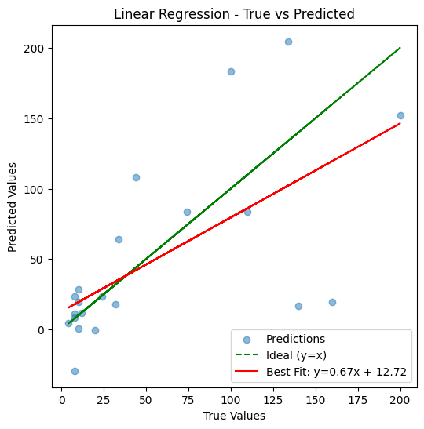
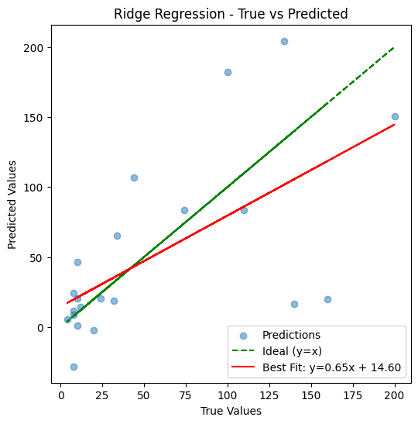
Performance of regression algorithms on prediction of volume of solid waste generated
 | Model Name | MSE | MAE | R^2 | RMSE | Adjusted R^2 | MSLE | Explained Variance | Median Absolute error | Maximum error
1 | Linear Regression | 2748.364946 | 34.571208 | 0.215434 | 52.42485 | -1.241617 | 1.202881 | 0.223976 | 18.260575 | 140.211005
2 | Reidge Regression | 2787.07794 | 35.744237 | 0.204383 | 52.792783 | -1.273192 | 1.058831 | 0.210331 | 21.997004 | 140.147031
3 | Lasso Regression | 2814.018049 | 36.309476 | 0.196692 | 53.047319 | -1.295165 | 0.796276 | 0.19952 | 25.730693 | 141.293258
4 | ElasticNet Regression | 2463.461151 | 35.730763 | 0.296764 | 49.633267 | -1.009244 | 1.11829 | 0.297078 | 22.456784 | 132.798824
5 | Polynomial Regression | 34469.278753 | 115.578232 | -8.839823 | 185.659039 | -27.11378 | 3.313388 | -8.836675 | 66.154088 | 501.359026
6 | Decision tree Regression | 1213.142857 | 27.714286 | 0.653688 | 34.8302 | 0.010538 | 0.865232 | 0.654623 | 20 | 76
7 | Random Forest regression | 1427.574705 | 27.469984 | 0.592475 | 37.78326 | -0.164356 | 0.698781 | 0.601152 | 22.02 | 87.46
8 | SVR | 3153.114543 | 44.960384 | 0.099892 | 56.1526 | -1.571738 | 1.406501 | 0.11535 | 35.175398 | 142.190642
9 | Gradient Boosting regression | 1797.167346 | 30.574167 | 0.486969 | 42.393011 | -0.465803 | 0.763158 | 0.487964 | 20.249082 | 108.510131
10 | KNN regression | 1432.07619 | 22.780952 | 0.59119 | 37.842783 | -0.168028 | 0.655887 | 0.600636 | 15.2 | 116

Results on Volume predictions ### Model Selection Explanation: 1. **MSE / RMSE (Lower is Better)** - Measures squared error between true and predicted values. - Best for minimizing large errors. - Best model: 'Decision Tree Regression' (Lowest RMSE). 2. **MAE (Lower is Better)** - Measures absolute differences, less sensitive to outliers. - Best model: 'KNN Regression' (Lowest MAE). 3. **R² Score (Higher is Better)** - Measures proportion of variance explained. - Best model: 'Decision Tree Regression' (Highest R² Score). 4. **Adjusted R² (Higher is Better)** - Accounts for number of predictors. - Best model: 'Decision Tree Regression' (Highest Adjusted R²). 5. **MSLE (Lower is Better)** - Penalizes under-predictions. - Best model: 'KNN Regression' (Lowest MSLE). 6. **Explained Variance (Higher is Better)** - Measures overall variance explained. - Best model: 'Decision Tree Regression' (Highest Explained Variance). 7. **Max Error (Lower is Better)** - Measures worst-case error. - Best model: 'Decision Tree Regression' (Lowest Max Error).

 |  |  |  |  |  |  |  |  |  |  | 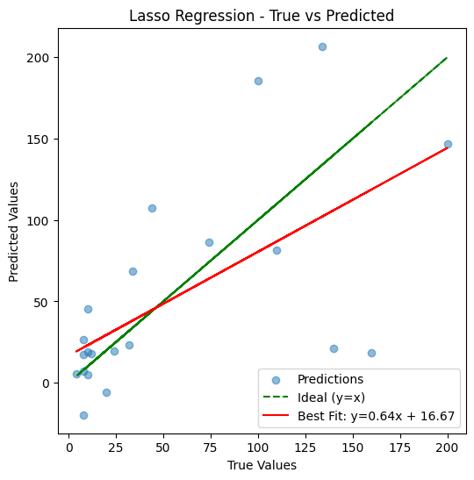 | 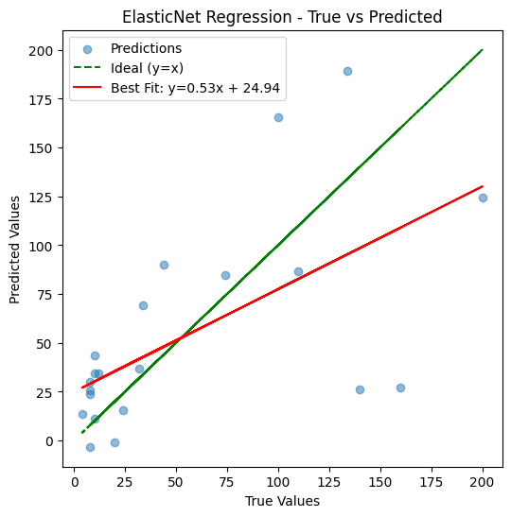 | 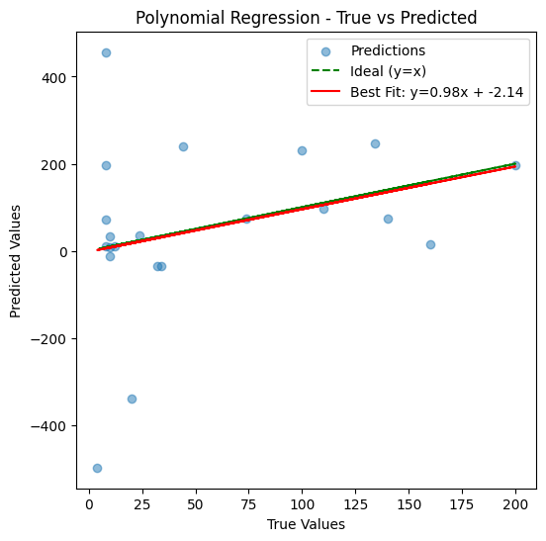 | 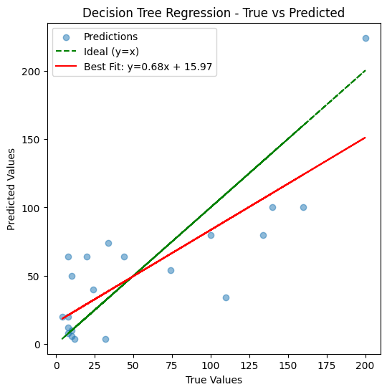 | 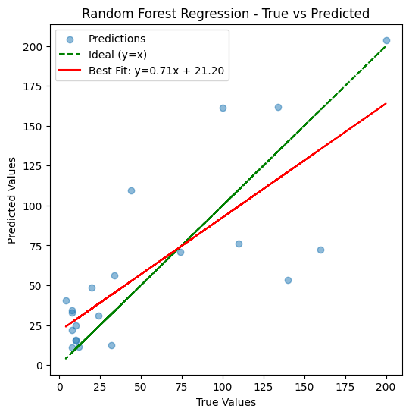 | 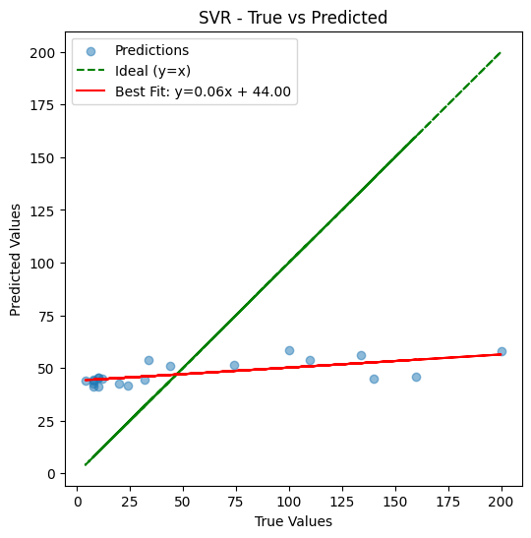 |  | 

